Dashboard
ADIDAS SALES PERFORMANCE DASHBOARD
 | Performance / Product and Region Trends / Insights

Total Revenue | Total Operating profit | Total units sold | Operating margin
$120,146,254 | $47,218,018 | $2,478,355 | 39.30%
Product performance
 | Sum of Total Sales | Sum of Operating Profit | Sum of Units Sold
Men's Apparel | $16,517,432 | $6,380,509 | 306,619
Men's Athletic Footwear | $20,574,240 | $7,436,222 | 435,456
Men's Street Footwear | $27,673,225 | $11,626,254 | 593,136
Women's Apparel | $23,866,680 | $9,683,843 | 433,722
Women's Athletic Footwear | $14,315,521 | $5,597,822 | 317,236
Women's Street Footwear | $17,199,156 | $6,493,367 | 392,186

Region performance
 | Sum of Total Sales | Sum of Operating Profit
Midwest | $16,674,434 | $6,859,945
Northeast | $25,057,871 | $9,725,824
South | $20,603,356 | $9,221,605
Southeast | $21,374,436 | $8,393,059
West | $36,436,157 | $13,017,584
Retailer performance
 | Sum of Total Sales | Sum of Operating Profit
Amazon | $10,096,987 | $3,984,432
Foot Locker | $29,004,549 | $11,310,078
Kohl's | $13,512,453 | $5,182,260
Sports Direct | $24,616,622 | $10,641,609
Walmart | $10,506,085 | $3,902,749
West Gear | $32,409,558 | $12,196,891

KEY BUSINESS INSIGHTS
Men's street footwear lead in sales and operating profit
The west region leads in sales revenue
The west gear is fhe top retailer by sales revenue

BUSINESS RECOMMENDATIONS
PRODUCT: Maintain stock of our men's street footwear, our top performing product
REGION: Study the west regions' success and apply useful strategies elsewhere
RETAILER: Strengthen business relationship with west gear, our top retailer

Project Documentation
ADIDAS SALES PERFORMANCE ANALYSIS
Excel Data analysis Project

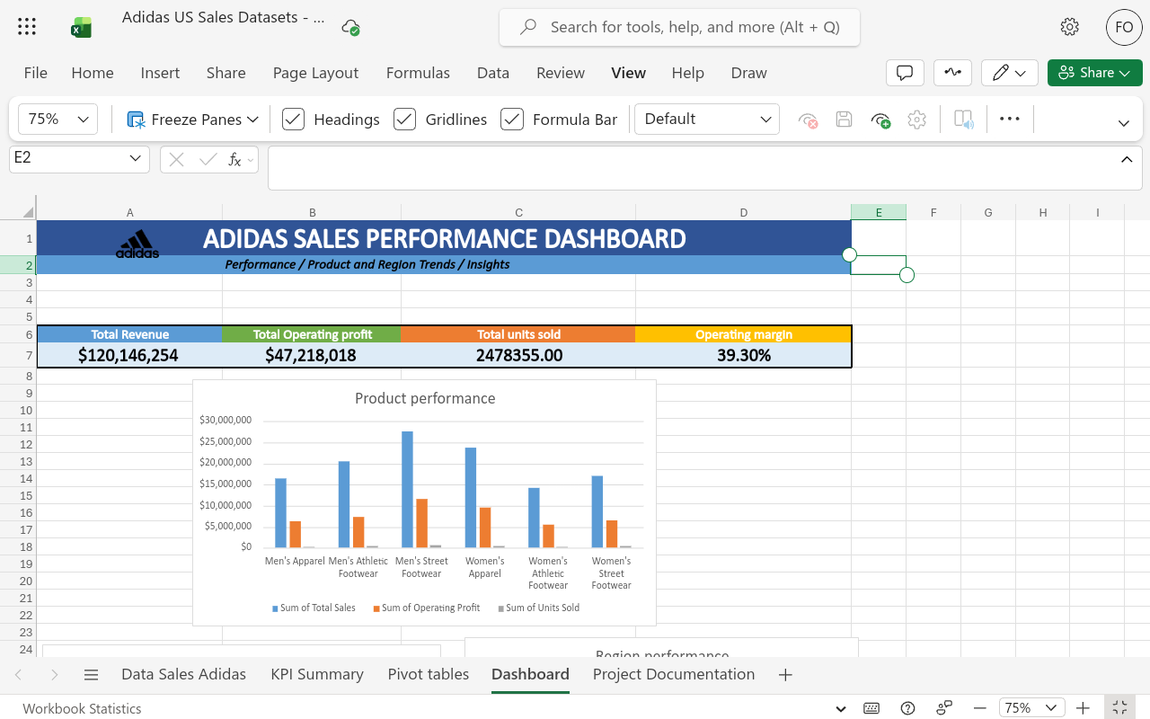
1. PROJECT OVERVIEW
Project Objective
The objective of this project was to analyse Adidas sales data using Microsoft excel to evaluate product performance, compare regional sales, retailer contributions and identify insights that can support business decision making.
2. TOOLS USED
Microsoft Excel
Excel Formulars and functions
Pivot tables
Charts and dashboard visualization

3. DATA PREPARATION AND CLEANING
The dataset was reviewed and prepared for analysis to support accurate calculations and meaningful comparisons
4. QUALITY CHECKS | Pic 1: Screenshot showing the Adidas sales dashboard
Checked the data set for duplicates, none were found
Checked dataset for invalid dates, dates were all valid
Checked dataset for units,money and margins, all were numeric accordingly
Reviewed the data set carefully before proceeding with analysis
Checked the total sales category and made sure it followed business logic
5. ANALYSIS AND FINDINGS
Analysis Perfomed
Calculated key performance indicators (KPI), including total revenue, operating profit, total units sold and operating margin. |  | Pic3: screenshot showing the kpi summary, indicating how metrics were calculated.
Used pivot tables to compare sales performance by Product, region and retailer.
Created charts and dashboard to present the results visually. | Pic2: Screenshot showing pivot tables supporting the analysis
Key Findings
Men's street footwears recorded the highest product sales and operating profit
The west region recorded the highest sales revenue
West gear recorded the highest retailer sales

